2.1_Pedestal Base
Student number | 851633 |  |  |  |  |  |  |  |  |  |  |  | Part Cost | £65.03
Module | EG-3080 |  |  |  |  |  |  |  |  |  |  |  | Qty | 1
Assembly | Bearing Housing
Part | Pedestal Base |  |  |  |  |  |  |  |  |  |  |  | Extended Cost | £65.03
P/N Base
Date | 04.03.2024

ItemOrder | ID | Material | Use (from billet/raw bar) | UnitCost | Unit1 |  | Volume (m^3) | Length (m) | Width (m) | Height (m) |  | Density (kg/m^3) | Quantity (kg) | Sub Total
1 | PM4.11 | Stainless steel, ferritic, AISI 430FR, annealed. Selected for it's low price and high machining speed capabilities. This allows for easier and more precise manufacturing which is essential for scaling up the largest component. Refer to "Material selection" sheet for more info. | Raw bar | £2.25 | kg |  | 0.0008 | 0.2230 | 0.0480 | 0.0750 |  | 7,770.00 | 6.24 | £14.03
 |  |  |  |  |  |  |  |  |  |  |  |  | Sub Total | £14.035

 |  |  |  |  |  |  |  | Process Multipliers |  |  | Cost Multipliers
ItemOrder | ID | Process | Description | UnitCost | Unit | Volume (cm^3) | Quantity Removed (cm^3) | ID | Proc. Mult. | Multiplier | ID | C. Mult. | Multiplier | Sub Total
1 | M2 | Machining Setup, Install and remove | Setup Mill | £1.35 | unit | 802.8 | 0.00 | NA | None | 1 | NA | NA | 1 | £-
2 | M1.17 | Machining - mill | Rough mill the largest faces | £0.04 | cm^3 | 365.93 | 436.87 | PM4.11 | Stainless steel | 3.75 | C1.2 | Rough mill | 0.4 | £26.21
3 | M1.17 | Machining - mill | Semi rough mill the outline of the pedestal | £0.04 | cm^3 | 363.92 | 2.01 | PM4.11 | Stainless steel | 3.75 | C1.4 | Semi rough mill | 0.5 | £0.15
4 | M2.1 | Machining Setup, Change | Change mill bit to 6mm ball ended bit | £0.65 | Unit | 363.92 | 1.00 | NA | None | 1 | NA | NA | 1 | £0.65
5 | M1.17 | Machining - mill | Cut inner fillets | £0.04 | cm^3 | 360.91 | 3.01 | PM4.11 | Stainless steel | 3.75 | C1.2 | Rough mill | 0.3 | £0.14
6 | M2.1 | Machining Setup, Change | Change mill bit to corner 6mm rounding cutter | £0.65 | Unit | 360.91 | 1.00 | NA | None | 1 | NA | NA | 1 | £0.65
7 | M1.17 | Machining - mill | Cut outer fillets | £0.04 | cm^3 | 360.17 | 0.74 | PM4.11 | Stainless steel | 3.75 | C1.2 | Rough mill | 0.3 | £0.03
8 | M2.1 | Machining Setup, Change | Setup mill to cut slots | £0.65 | Unit | 360.17 | 1.00 | NA | None | 1 | NA | NA | 1 | £0.65
9 | M1.17 | Machining - mill | Cut slots | £0.04 | cm^3 | 352.3 | 7.87 | PM4.11 | Stainless steel | 3.75 | C1.4 | Semi rough mill | 0.5 | £0.59
10 | M1.2 | Drill & Tap | Cut bearing hole with pillar drill to 10mm radius as pilot hole. | £0.35 | hole | 344.76 | 7.54 | PM3 | Machine - Hole Length < 4D | 1 | C1.5 | Drill | 1 | £2.64
11 | M1.2 | Drill & Tap | Cut bearing hole with pillar drill to 20mm radius as pilot hole. | £0.35 | hole | 322.14 | 22.62 | PM3 | Machine - Hole Length < 4D | 1 | C1.5 | Drill | 1 | £7.92
12 | M1.2 | Drill & Tap | Cut bearing hole with pillar drill to 24mm radius. | £0.70 | hole | 308.87 | 13.27 | PM3 | Machine - Hole Length < 4D | 1 | C1.5 | Drill | 1 | £9.29
13 | M1.2 | Drill & Tap | Change bit, cut stud holes | £0.35 | hole | 303.93 | 4.94 | PM3 | Machine - Hole Length < 4D | 1 | C1.5 | Drill | 1 | £1.73
14 | M1.2 | Drill & Tap | Change bit, cut threaded stud holes | £0.35 | hole | 303.93 | 1.00 | PM3 | Machine - Hole Length < 4D | 1 | C1.5 | Drill | 1 | £0.35
15 | M1.2 | Drill & Tap | Change bit, cut pin hole | £0.70 | hole | 303.86 | 0.07 | PM3 | Machine - Hole Length < 4D | 1 | C1.5 | Drill | 1 | £0.05
 |  |  |  |  |  |  |  |  |  |  |  |  | Sub Total | £51.00
[Detail Description of Manufacturing Process Route covering the major process steps from start to finish]
ItemOrder | ID | Detail Description
1 | M2 | 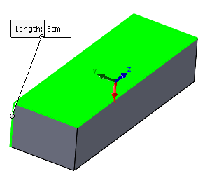 | Raw billet, with an extra 2mm in each dimension, is setup in mill. The mill should have its cutting axis perpendicular to the machining surface. The workpiece is clamped around the largest face, as shown in green. All clamps in this document are using the follow as an example, but any low profile (less than 48mm) and high strength clamp is sufficient: https://www.cutwel.co.uk/workholding/modular-clamps-and-clamp-kits/side-clamps/positioning-stop-low-type-er-el-erel-stl
Diagram 1
2 | M1.17 | 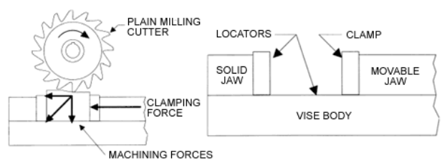 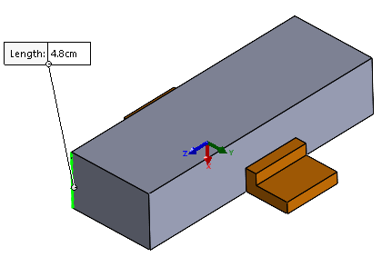 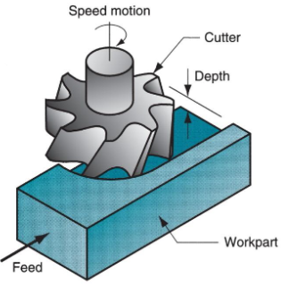 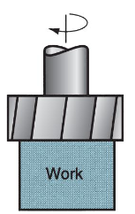 | Setup the mill and roughly face mill the 2 largest surfaces to remove 1mm from each face, swapping the clamped face after the first face milling. Milling must be towards the fixed clamp surface, like the green arrows and in diagram 1, to minimise slipping and inaccuracies. All milling processes must cut towards the fixed clamp end, as in diagram 1.
3 | M1.17 | 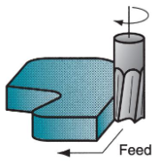 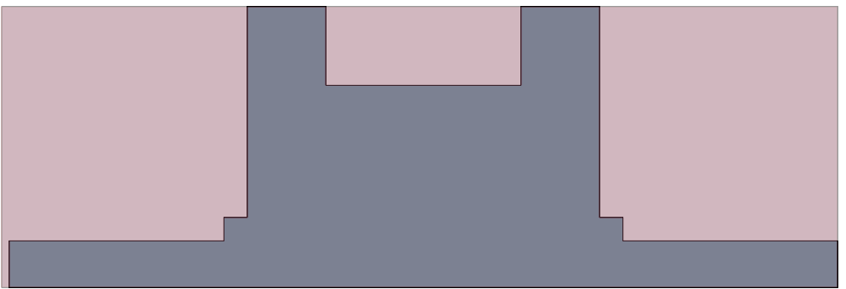 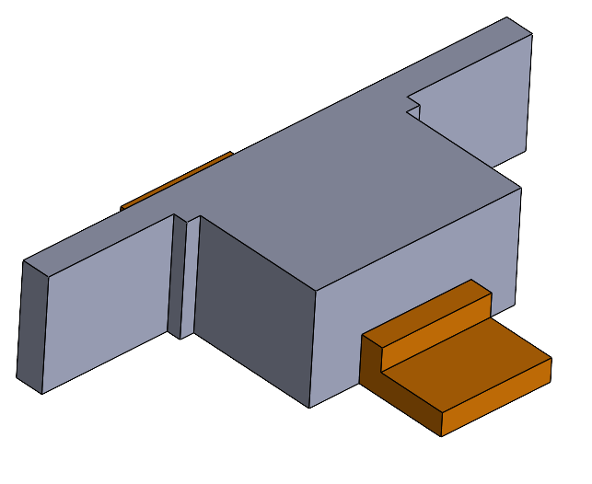 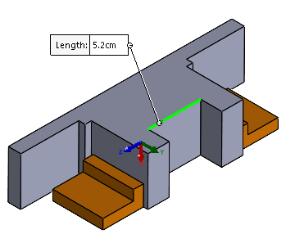 | Setup the mill with a profile milling bit. Keep the clamps in the middle of the workpieces length, and use the mill to roughly cuts the outside edges of the billet using a profiling mill, in the red area like in the first picture. Rearrange the clamps to the newly cut outside faces and use the lathe again on the remaining red parts of the billet. Rough cut 1mm from al edges first to minimise cost.
3 | M1.17 | 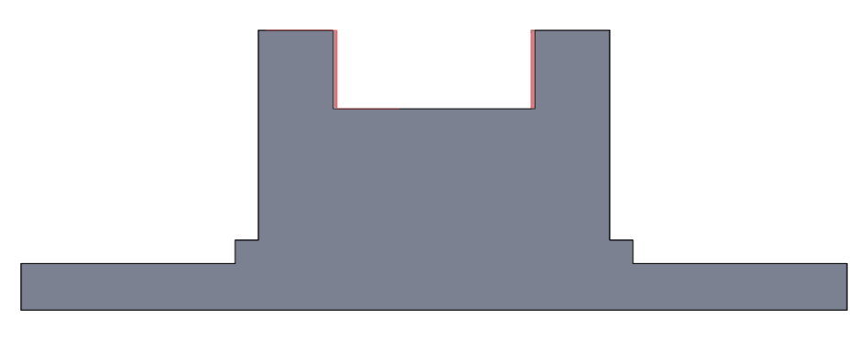 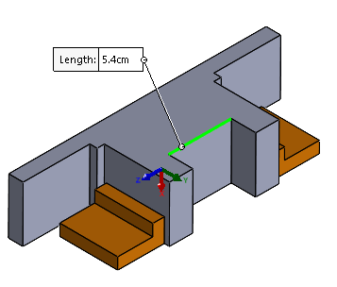 | Keep the clamps as they are. Use the mill to semi-roughly cut the edges further using a profiling mill, including all filleted edges, completing the perimeter cuts in the red area by removing 0.5mm material from all edges.
5 | M1.17 | 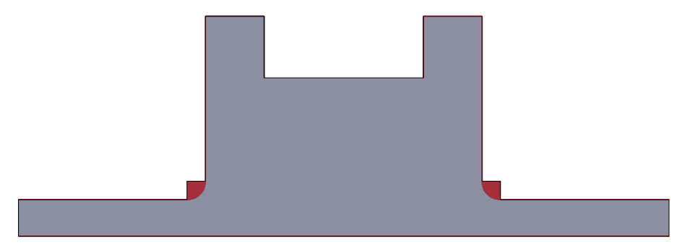 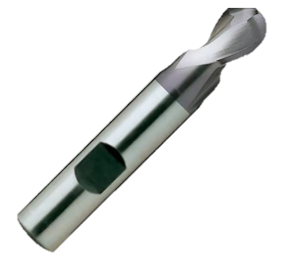 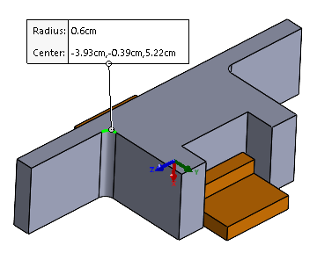 | Setup the milling machine with a ball ended drill bit with 12mm diameter to cut the inside fillets. The linked example is long enough to reach all the way through the workpiece. Fix the clamps so they are out of the way of the drill. Drill downwards towards the worktable, like the green arrow. https://www.cutwel.co.uk/landing-pages/shop-by/shop-by-type/ball-nose-milling-cutters/12mm-2-flute-ball-nose-tialn-coated-premium-superhard-hss-slot-drill-ehc535-yg-1-ehc535120
7 | M1.17 | 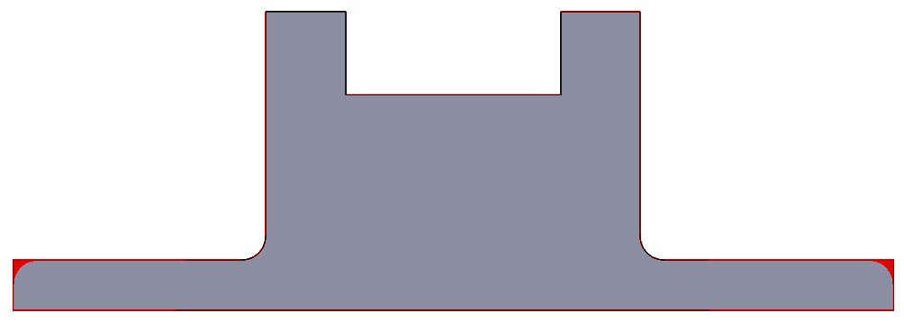 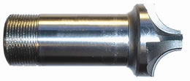 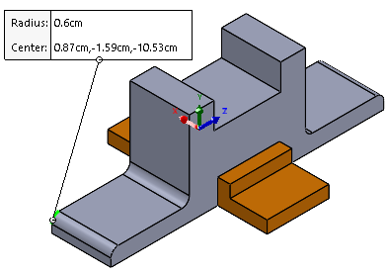 | Setup the milling machine with a corner rounding cutter to cut the outside fillets. Fix the clamps parallel to the fillets. Drill towards the fixed clamp, orange, such as in the direction of the green arrows. An example of a corner rounding cutter can be found here: https://www.drill-service.co.uk/products/milling-cutters/corner-rounding/crc-hss-corner-rounding-cutter/
Top face
9 | M1.17 | 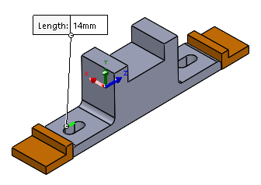 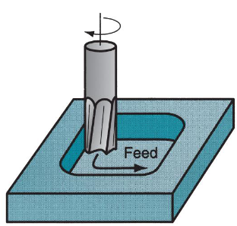 | Setup the clamps parallel to the cutting direction, like the orange ones in the picture. Drill towards the fixed clamp like the green arrows.
Diagram 2
10 | M1.2 | 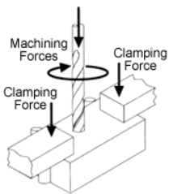 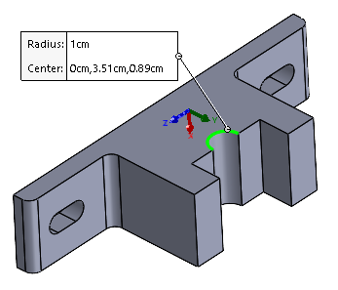 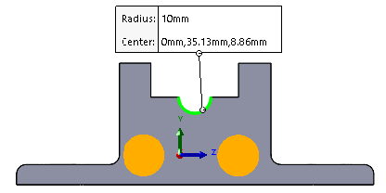 | Fix the workpiece to the pillar drill using G clamps in the locations marked in orange, such as in diagram 2. Slowly drill out the first hole of 20mm diameter. Remove any chips as necessary. Linked drillbit is long enough to drill through the entire workpiece. https://www.axminstertools.com/axcaliber-20mm-tct-boring-bit-10mm-shank-952751?queryID=08cee1f5a14f1248ac754b8ba6fae021
11 | M1.2 | 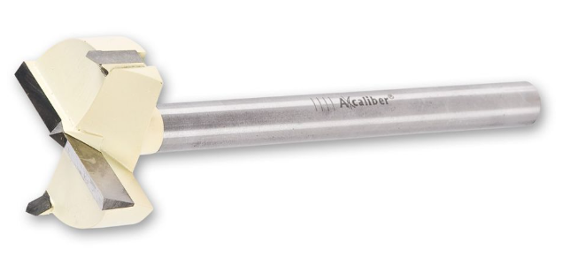 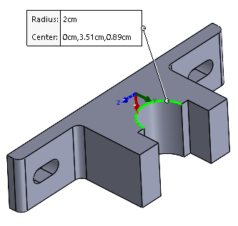 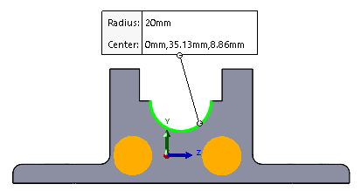 | Change the drillibit to a 40mm diameter, keep the clamps the same and drill the new hole in the same location. Remove any chips as necessary. Linked drillbit is long enough to drill through the entire workpiece. https://www.axminstertools.com/axcaliber-40mm-tct-boring-bit-12-7mm-shank-952779?queryID=08cee1f5a14f1248ac754b8ba6fae021
12 | M1.2 | 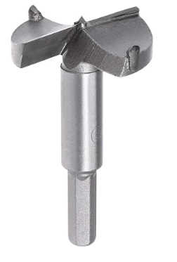 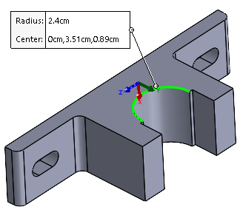 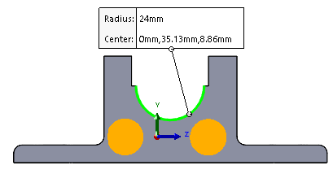 | Use a 48mm diameter drill and go through the same location as before, without moving the clamps. Remove any chips as necessary. Linked drillbit is long enough to drill through the entire workpiece. https://trucuttools.co.uk/48mm-3xd-indexable-u-drills-for-wcgx-inserts/
13-15 | M1.2 | 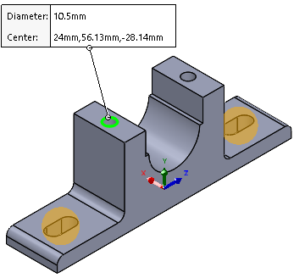 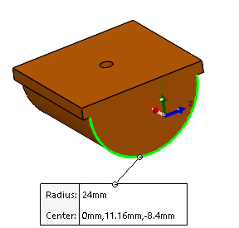 | Pillar drill drills out the M12 top two holes to 28.5mm depth. Swap the M12 drill for an M12 tapping drill and thread the new holes to a 24mm depth. Carefully mark the location of the central hole, perhaps with a jig in the 3rd picture. Swap the pillar drill to a 5mm diameter one and drill the central hole. G clamps should be used on the areas marked in orange.

2.1_Bearing
Student number | 851633 |  |  |  |  |  |  |  |  |  |  |  | Part Cost | £126.36
Module | EG-3080 |  |  |  |  |  |  |  |  |  |  |  | Qty | 1
Assembly | Bearing Housing
Part | Bearing |  |  |  |  |  |  |  |  |  |  |  | Extended Cost | £126.36
P/N Base
Date | 04.03.2024

ItemOrder | ID | Material | Use (billet, sheet, bar etc) | UnitCost | Unit1 |  | Volume m^3 | Diameter (m) | Width (m) |  |  | Density (kg/m^3) | Quantity (kg) | Sub Total
1 | PM4.12 | Alloy steel AISI 8640, oil quenched and tempered at 205C. Chosen for it's low thermal expansion coefficient as the high RPM will cause the bearing to heat up and expand. AISI 8640 also has a high hardness which will be good for resisting the friction and thus material weardown when the shaft is spinning inside. Refer to "Material selection" sheet for more info. | From bar | £2.25 |  |  | 0.0002 | 0.0670 | 0.0655 |  |  | 7900 | 1.823 | £4.10
 |  |  |  |  |  |  |  |  |  |  |  |  | Sub Total | £4.103

 |  |  |  |  |  |  |  | Process Multipliers |  |  | Cost Multipliers
ItemOrder | ID | Process | Description | UnitCost | Unit | Volume (cm^3) | Quantity Removed (cm^3) | ID | Proc. Mult. | Multiplier | ID | C. Mult. | Multiplier | Sub Total
1 | M2 | Machining Setup, Install and remove | Setting up lathe for roughing | £1.30 | unit | 230.93022928 | 0.00 | NA | None | 1 | NA | NA | NA | £-
2 | M1.17 | Machining - lathe | Rough material removal on outer diameter | £0.04 | cm^3 | 217.34912424 | 13.58 | PM4.12 | Alloy steel | 3 | C1.3 | Rough turn | 0.4 | £0.65
3 | M1.17 | Machining - lathe | Rough material removal on inner diameter | £0.04 | cm^3 | 150.01851049 | 67.33 | PM4.12 | Alloy steel | 3 | C1.3 | Rough turn | 0.4 | £3.23
4 | M1.17 | Machining - lathe | Rough material removal on end | £0.04 | cm^3 | 146.70020325 | 3.32 | PM4.12 | Alloy steel | 3 | C1.3 | Rough turn | 0.4 | £0.16
5 | M2.1 | Machining Setup, Change | Change tool for finishing | £0.65 | unit | 146.70020325 | 0.00 | NA | None | 1 | NA | NA | NA | £0.65
6 | M1.17 | Machining - lathe | Finishing edges on inner diameter | £0.04 | cm^3 | 141.61082315 | 5.09 | PM4.12 | Alloy steel | 3 | C1.4 | Finish turn | 1 | £0.61
7 | M2.1 | Machining Setup, Change | Change tool for drilling pilot hole | £0.65 | unit | 141.61082315 | 0.00 | NA | None | 1 | NA | NA | NA | £0.65
8 | M1.17 | Machining - lathe | Drill pilot hole for centre hole | £0.04 | hole | 140.34436861 | 1.27 | PM4.12 | Alloy steel | 3 | NA | Rough turn, Rough milled | 0.4 | £0.06
9 | M2.1 | Machining Setup, Change | Change tool for drilling 29mm diameter | £0.65 | unit | 140.34436861 | 0.00 | NA | None | 1 | NA | NA | NA | £0.65
10 | M1.17 | Machining - lathe | Drill centre hole | £0.04 | hole | 99.00729248 | 41.34 | PM4.12 | Alloy steel | 3 | NA | Finish turn, mill | 1 | £4.96
11 | M1.3 | Drill & Tap | Drill hole blind | £0.35 | hole | 98.92000191 | 0.09 | PM4.12 | Alloy steel | 3 | NA | NA | 1 | £0.09
12 | M1.3 | Drill & Tap | Drill hole through | £0.35 | hole | 98.80046378 | 0.12 | PM4.12 | Alloy steel | 3 | NA | NA | 1 | £0.13
13 | M1.10 | Grind, Profile | Grinding outer diameters | £0.15 | cm^2 | 98.80046378 | 102.24 | PM4.12 | Alloy steel | 3 | C1.6 | Grind | 2.4 | £110.42
 |  |  |  |  |  |  |  |  |  |  |  |  | Sub Total | £122.26
[Detail Description of Manufacturing Process Route covering the major process steps from start to finish]
ItemOrder | ID | Detail Description
1 | M2 | 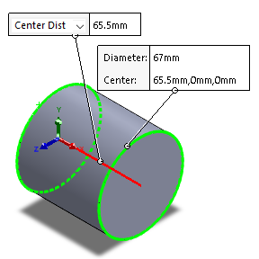 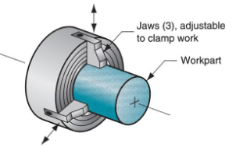 | Raw billet, cut to final specs +1.5mm in each direction, except only one end is cut shorter, because the other end will be fixed to the lathe and kept untouched.
2 | M1.17 | 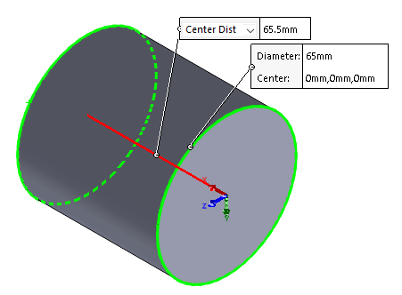 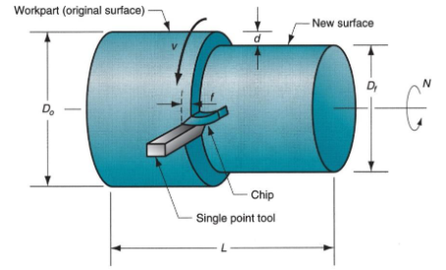 | The lathe is used to cut the outer edges of the billet to rough shape, removing 2mm from the diameter. The lathe cuts exclusively towards the jaws holding the workpiece to prevent inaccuracies
3 | M1.17 | 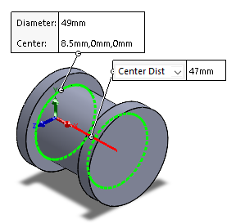 | The lathe is used again to cut the rough edges for the inner diameter, removing 2mm from the diameter, including the inner faces of the larger circular faces on the ends. Rough cuts are performed first to save money when removing the majority of material.
4 | M1.17 | 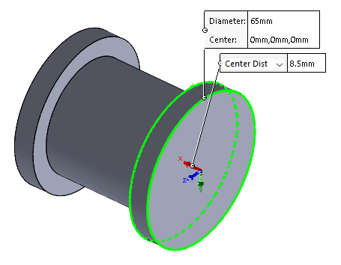 | The lathe roughly cuts 1mm off the end which is not held by the lathe. Only one end is cut, because the other is used as a datum, and thus all dimensions should be relative to that edge. These faces are not critical to the bearing's performance, so they don't need to be smoothed out, saving money.
6 | M1.17 | 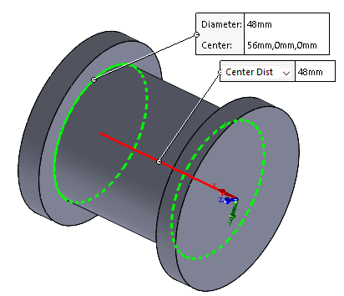 | Lathe finishes the inner diameters by removing 1mm from the diameter, including the inner faces between the larger ends.
8 & 10 | M1.17 | 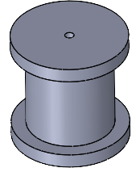 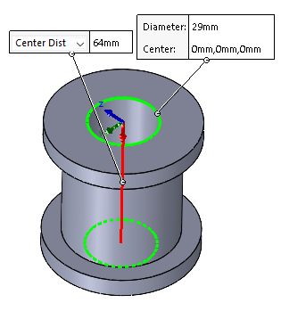 | Lathe drills out pilot holes before the inside hole, then drills 29mm diameter. A lathe is necessary for the central hole to ensure the shaft which spins within it is balanced and not off-centre, which is critical at the 500-600RPM requirement. The lathe will use a finish speed to make the cut as smooth as possible.
11 | M1.3 | 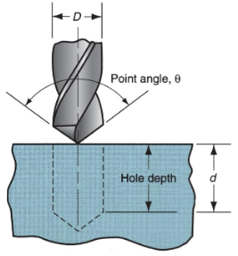 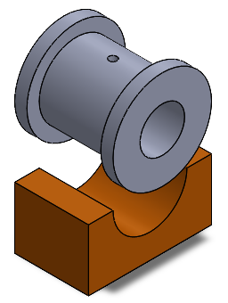 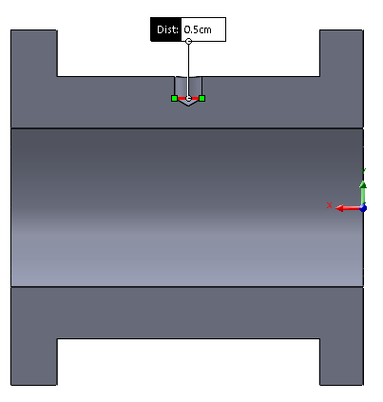 | Pillar drill cuts out blind M5 hole. A custom jig is necessary to prevent the piece from moving freely while drilling. A jig which fits within the inner diameter of the bearing will best prevent the bearing from sliding forwards and backwards, too.
12 | M1.3 | 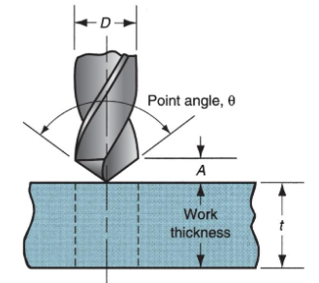 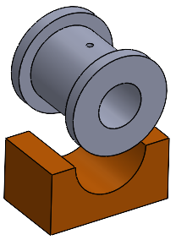 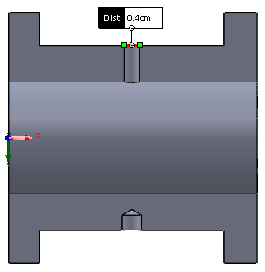 | Rotate the workpiece 180 degrees and place back into the jig. Pillar drill cuts out M4 hole through to the centre. A second jig featuring a peg to allign with the first drilled hole can help ensure the two holes are closely alligned. This is only possible because the through hole has a lower tolerance due to simply being a lubricant pass-through.
13 | M1.10 | 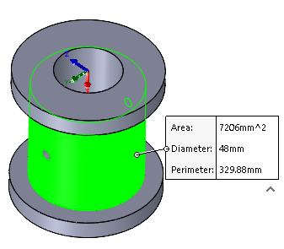 | Grinding the inner surfaces down is the final step because it can clean up any imperfection caused by the pillar drill on the surface. This will give the bearing the smooth finish it needs to spin at the required 500-600RPM. G clamping the bearing on one face with the other against a fixed surface can allow one to grind most of the bearing, and then swapping the orientation of the G clamp for the rest.

Material selection
 | Graph 1 - choosing a stainless steel for the bearing
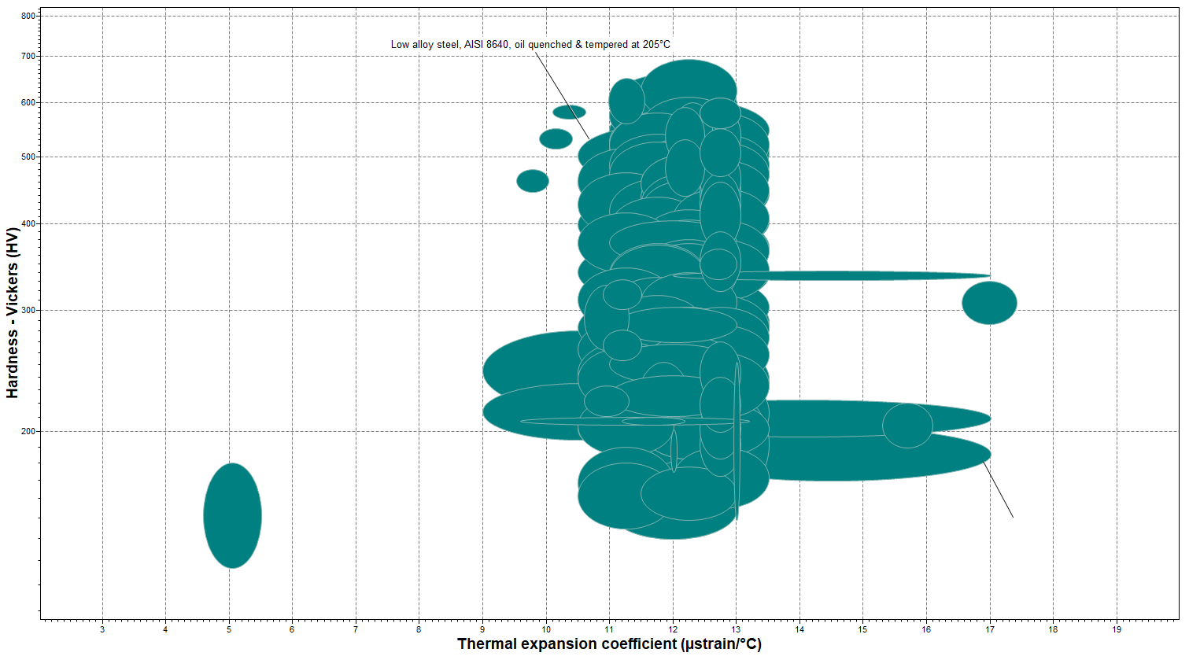 | The thermal expansion is necessary because the bearing will house a very high RPM shaft. Despite the fine surface finishes minimising friction, a material which won't expand under high temperatures will only help ensure the components remain suitable for a longer time. Additionally, the hardness scale was used to find the hardest steel allow so that the bearing is less likely to break apart during load cycles. On the other hand, a material that is more breakable could be beneficial, as it will act as a sacrificial component for the shaft and replacing the bearing could be easier and cheaper than the shaft. This would depend on unknown conditions, such as the shafts material, cost and overall construction.

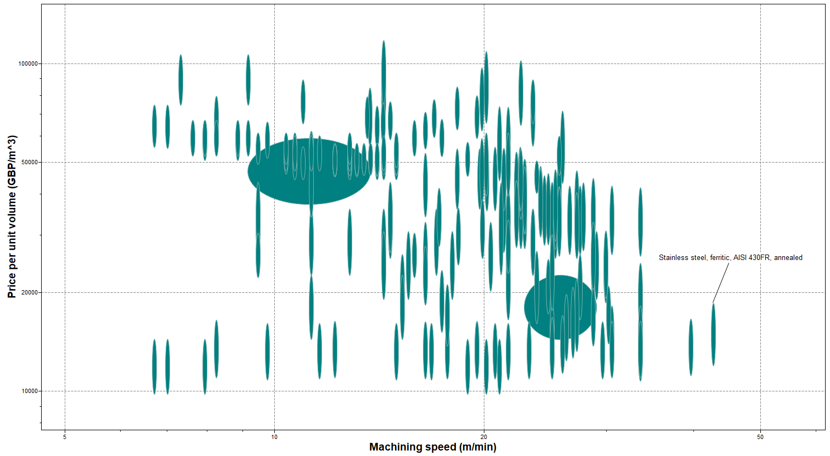

 | Graph 2 - choosing a steel alloy for the pedastal base
 | The pedestal base was selected to withstand a high machining speed so it can be quicker to produce and to a higher tolerance. This is essential for housing the bearing with a high tolerance. The price was also aiming to be low, as there is a lot more material involved in the pedestal base.

Material removed
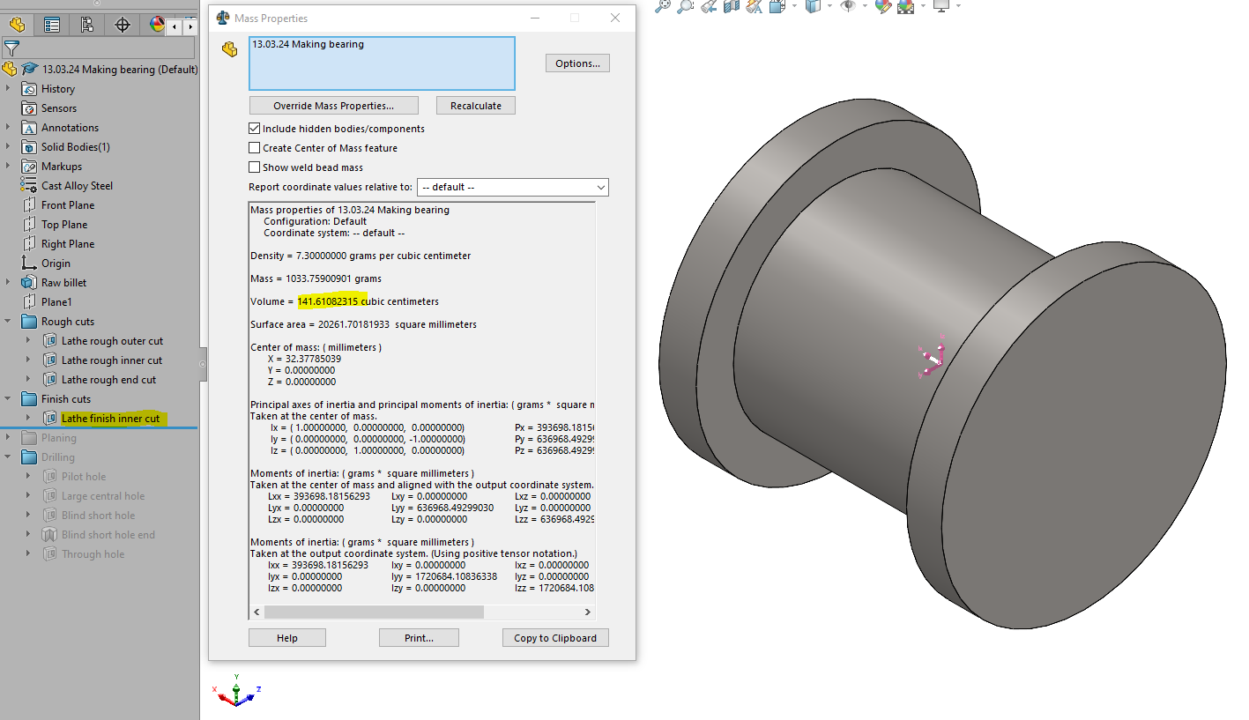

Each step in the machining process was performed in solidworks with the same dimensions. After each step, the volume was taken from the "Mass properties" function. The material removed is simply the current volume subtract the volume from the previous step. SLDPRT files available upon request.

